Order
Queen Elizabeth Elementary PAC
Hanging Flower Basket,
Bedding, Herb & Tomato Plant Sale
Great Mother's day gift!
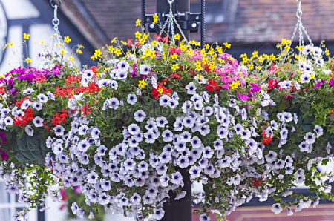
11" & 13" mixed sun/part-shade hanging baskets, 13" part-sun/shade fuchsia hanging baskets and 14" moss
baskets are available again this year. Bedding, herb & tomato plants are also available for sale by the full flats.
11" baskets are $25 each |  |  | Bedding Plants (48 plants/flat) or Impatiens (18/flat) are $16 each flat
13" baskets are $30 each |  |  | Geraniums (32 seed plants/flat) are $25 each flat
14" Moss baskets are $70 each |  |  | 4" Herb or Tomato Variety (10 count flat) are $20 each flat

Please return your order form and payment by Thursday, April 26
Pick-up date is Tuesday, May 08, 11:30 - 3:30 pm, outside School Office.
If you have any questions, please contact Rosamary: rdellipizzi@telus.net

Parent Last Name: |  |  |  |  | Parent First Name:
Parent e-mail: |  |  |  |  | Phone
Child's Name |  |  |  |  | Div.

 | Price | Quantity |  |  |  |  | Total $
11" Mixed Basket | $25 |  | Colourful mixes for sunny location |  |  |  | -
13" Mixed Basket | $30 |  | Bright splash of colour for sunny location |  |  |  | -
13" Fuchsia Basket | $30 |  | Assorted colours for shade |  |  |  | -
14" Moss Basket | $70 |  | Large colourful mix basket side & top planted -- for sunny area |  |  |  | -
Herb & Tomato Variety | $20 |  | Variety is: 6 - 4" herbs (i.e. Basil, Oregano, Rosemary, Thyme & Parsley) and 4 - 4" tomato plants (i.e. Beefsteak, Early Girl & Sweet 100) |  |  |  | -
 |  | Quantity (indicate quantity by colour)
Seed Geraniums (32/flat) | $25 | Pink | Red | Salmon | White |  | -
Alyssum | $16 | Purple | White | Mix |  |  | -
Begonia | $16 | Pink | Red | Rose | White | Mix | -
Dusty Miller | $16 |  |  |  |  |  | -
Impatiens (18/flat) | $16 | Pink | Red | Violet | White | Mix | -
Lobelia | $16 | Blue | Rose | White | Mix |  | -
Marigold | $16 | Bicolor | Orange | Yellow | Mix |  | -
Pansy | $16 | Mix |  |  |  |  | -
Petunia | $16 | Burg | Pink | Red | White | Mix | -
Salvia | $16 | Blue | Red |  |  |  | -
Please make cheques payable to 'Queen Elizabeth PAC' (Parent Advisory Council). |  |  |  |  |  |  | $- | 0

Volunteers are needed to help sort & label. If you are available for the morning of May 08, please indicate "yes" here |  |  |  |  |  |  |  | 0

